Book Collection
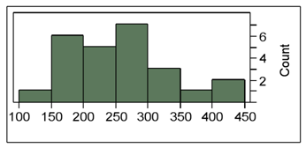
The following histogram represents the number of pages in each book within a collection. What is the frequency of books containing at least 250 but fewer than 300 pages? | The following histogram represents the number of pages in each book within a collection. What is the frequency of books containing at least 200 but fewer than 250 pages?

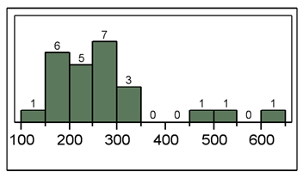
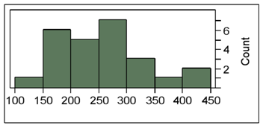

The following histogram represents the number of pages in each book within a collection. What is the frequency of books containing at least 250 but fewer than 400 pages?

